Crown completeness calculator
Hemisphere, half-rounded, or spreading
Crown Completeness Calculator |  |  |  |  |  |  | Crown Shapes
Spreadsheet to calculate crown completeness for Step 7
Link to Full method spreadsheet
Link to Full method (Multi-stem) spreadsheet

Cone or upright
NOTES
Enter data in grey boxes.
Enter data in metres to at least one decimal place.
Crown completeness is calculated automatically.
In addition to the height and width reductions account for here, practitioners must remember to consider additional voids in the crown, assessed as a percentage of the whole. |  |  |  |  |  |  |  | 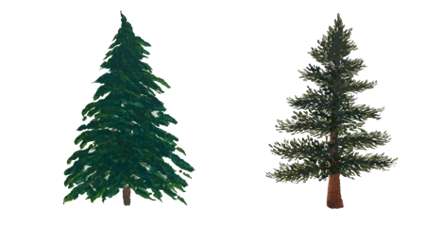

 | MEASUREMENTS | DATA INPUT |  |  |  | CALCULATED DATA
Cylinder or columnar
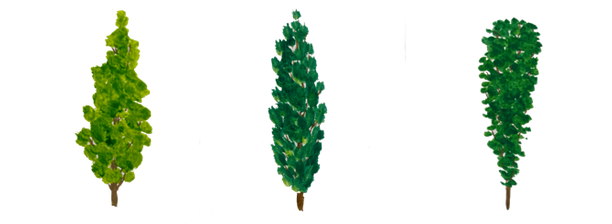
 | Expected crown shape | Sphere (globular, rounded)

 | Expected tree height (m) | 11.80

 | Expected height to crown base (m) | 2.50

 |  | N | E | S | W
 | Expected crown radius (m) | 14.0 | 14.0 | 14.0 | 14.0
Sphere, globular, or rounded
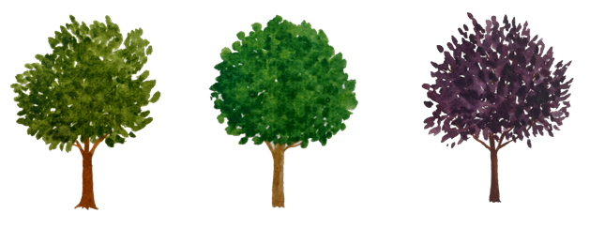
 | Expected crown volume (m³) |  |  |  |  | 3,817.7

 | Actual crown shape | Sphere (globular, rounded)

 | Actual tree height (m) | 11.80

 | Actual height to crown base (m) | 2.50
Ellipsoid or oval
 |  | N | E | S | W
 | Actual crown radius (m) | 14.0 | 14.0 | 14.0 | 14.0

 | Additional voids in the crown (%) | 0%
 |  |  |  |  |  | 3,817.7
 | Actual crown volume (m³) |  |  |  |  | 3,817.7

 | CROWN COMPLETENESS (%) |  |  |  |  | 100%

Flowchart
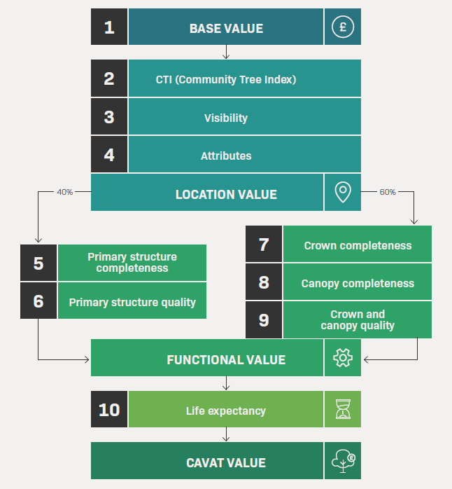
CAVAT Full method flowchart

Crib Sheet
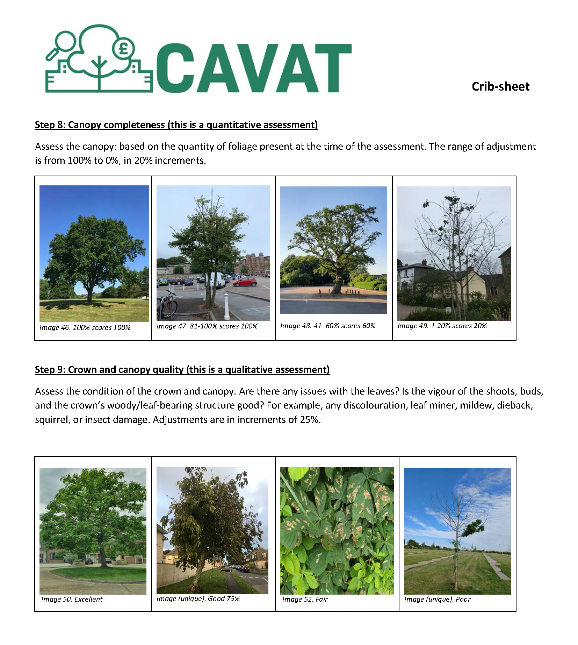
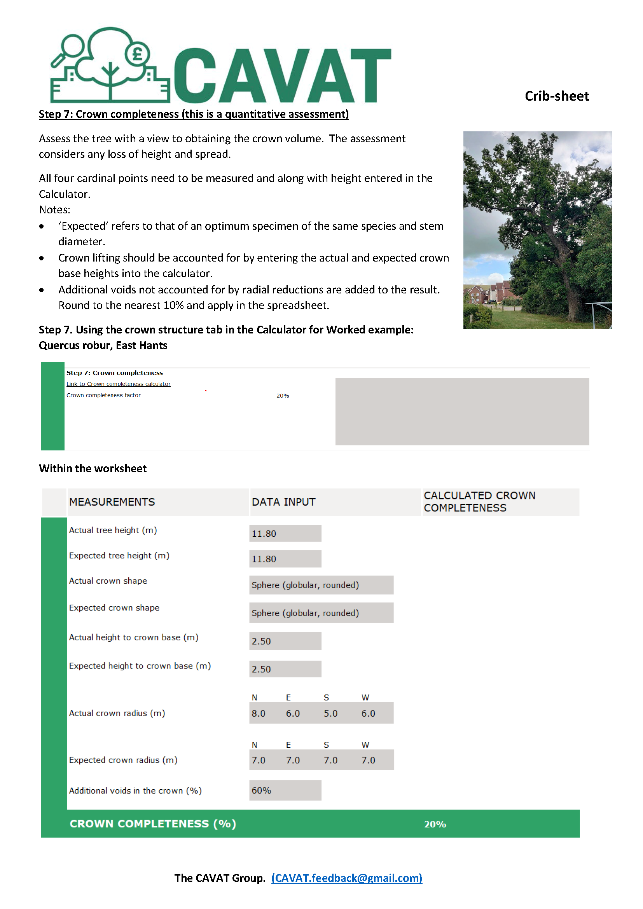
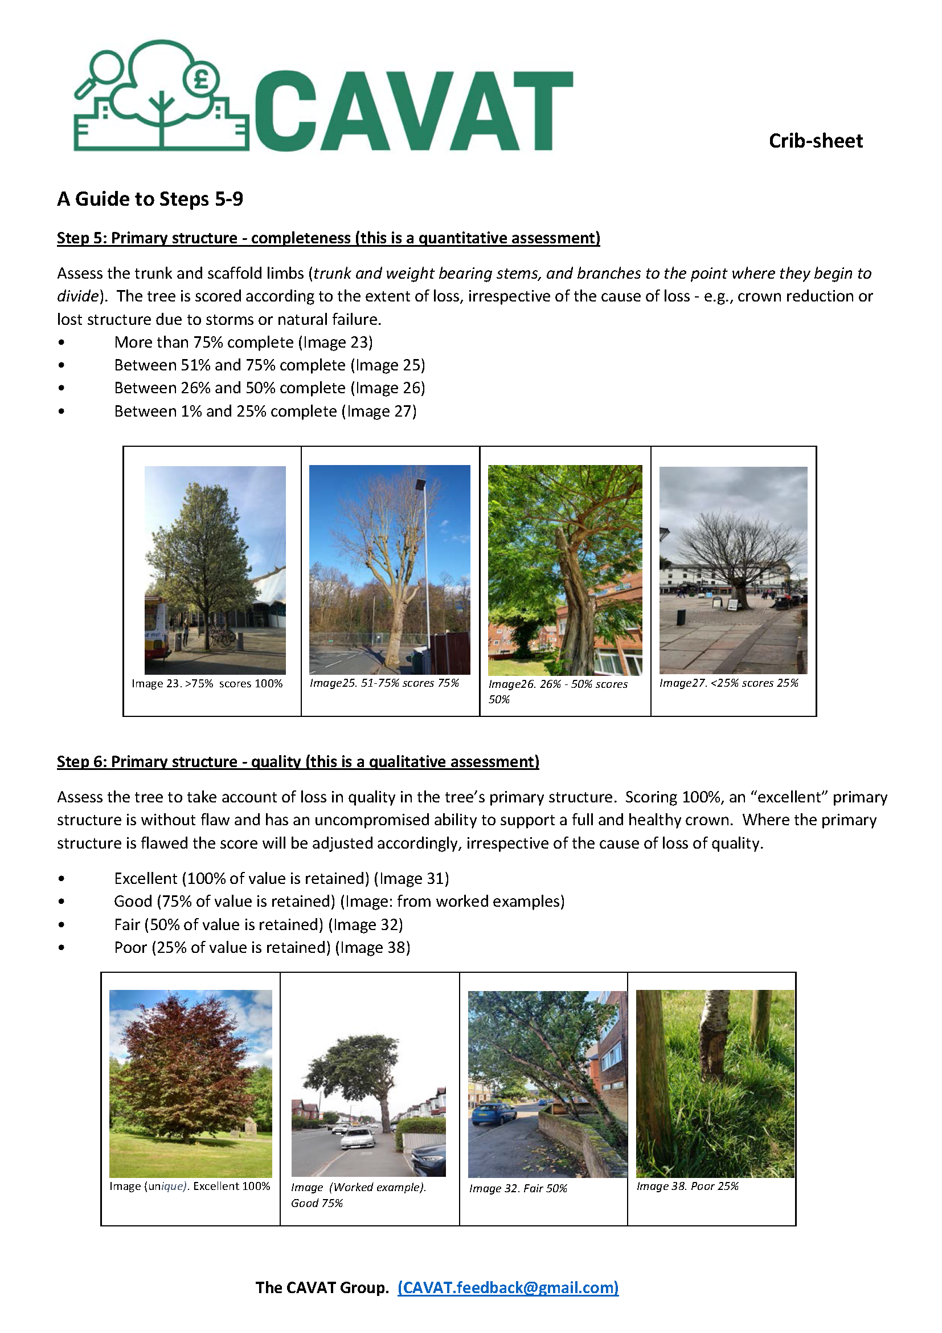
CAVAT Full method Crib Sheet

